Exhibit C - Chart 5
Exhibit C

Chart 5: | Reimbursement Claims for Current and Prior School Years

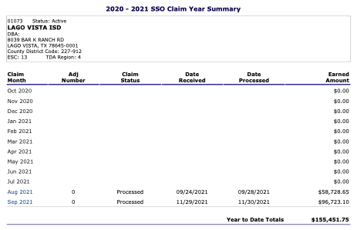

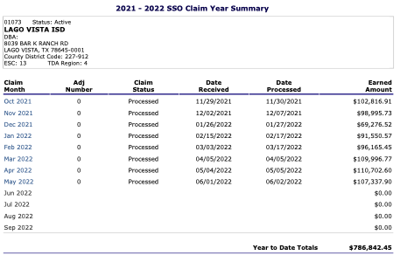

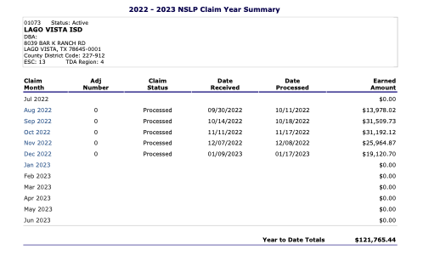

Exhibit C - Chart 7
 | ACADEMIC CALENDAR
SY 23-24 Academic Calendar has not been drafted/approved. It is LVISD Administration's belief that there will be no significant changes to next year's calendar.
